Sheet1
Day 1: | 1. Introduction about the project.
Day 2: | 1. Expanded on the project details and the frameworks you'll be working with. 2. Introduced topics like Web Scraping and Chat Bots (e.g., Amazon Customer Service).
Day 3: | 1. Discussing how to design a model by analyzing the dataset. 2. We used the dataset of a car that was already used. 3. Steps Covered: - Understand the Data. - Removing unnecessary data. - More data used for training will lead to more accurate results during training the data and while using the final model. - Which model to use? - Classification or Regression. - Frontend, backend, and GUI (make a model and integrate it with the GUI; bring in input that the backend will work on). - Data Collection. - Preprocessing. | 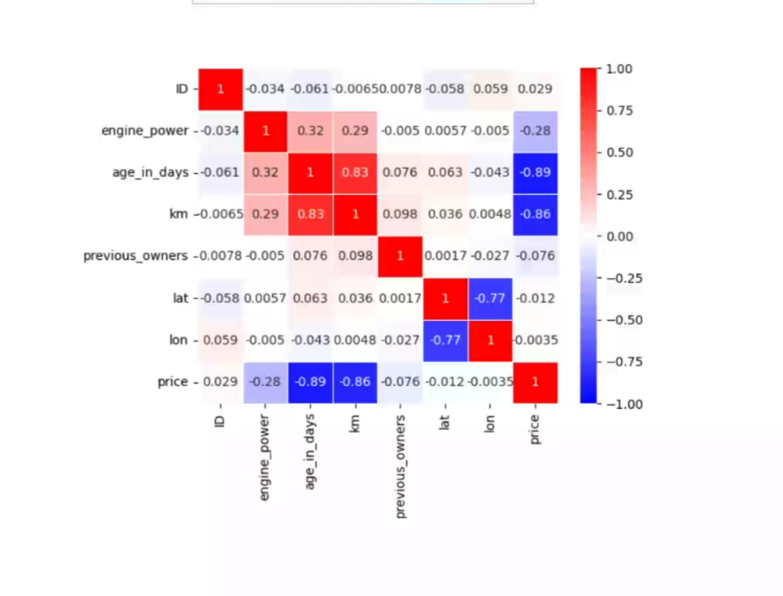
Day 4 : | 1. Correlation: - Positive correlation: If x increases, then y will increase. - Negative correlation: If x increases, then y will decrease. - A negative correlation exists between the price and km column. 2. Used code for analysis: - list(data) - print column names. - data.describe(). - data.head(5). - data.tail(10). - data["previous owner"].unique(). - data.info(). - data.groupby(['model']).count(). - More observations are available, as the system can learn more from this since there are more combinations and vice versa. - For example, the lounge model in the dataset of cars will have a more precise reading provided by the model.
Day 5 : | 1. Total vehicles: 1538. - Lounge: 1094. - Pop: 358. - Sport: 86. 2. Previous owners: 1389, 117, 23, 9. 3. Max, min correlation values range from 1 to -1. 4. Code for removing unwanted columns: - data1 = data.drop(['lat', '1D'], axis=1). - data2 = data1.drop('lon', axis=1). 5. After cleaning, the data shape is (1538, 6). Used pd.get_dummies() to convert categorical variables into numbers. Three additional columns were added, and a note to convert them into numerical data | 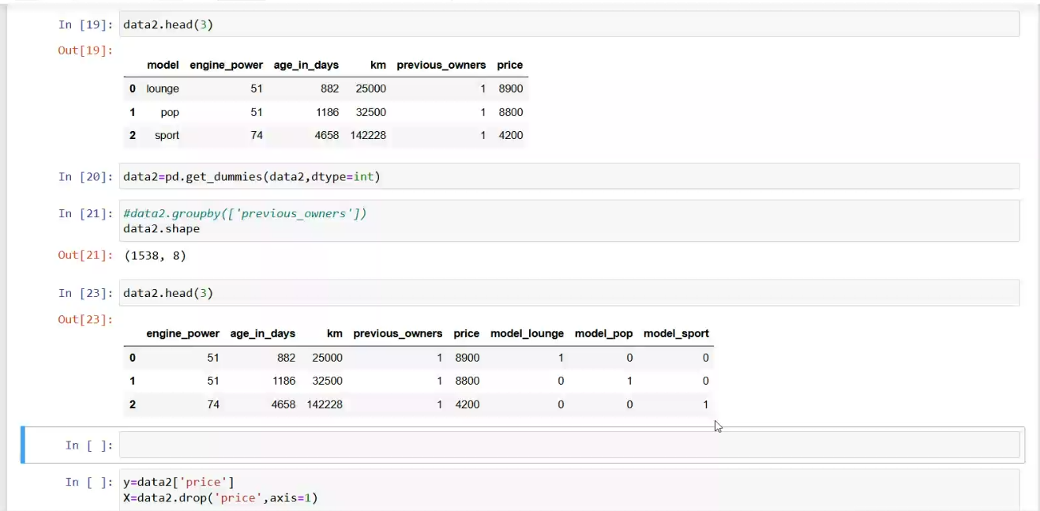
Day 6 : | 1. Splitting Data for Training and Testing: - Target (y): y = data2['price'] (Price column) - Features (x): x = data2.drop('price', axis=1) (All other columns except "price") 2. Relating to Project: - In the final project, x will be the tweet data, and y will be the result (whether it’s cyberbullying or not). 3. Data Split for Training and Testing: - Test size: 33% for testing. - Training data: 67%. - Example split: x_train, x_test, y_train, y_test = train_test_split(x, y, test_size=0.33, random_state=42) 4. Training Data Display: - Display the first 50 rows of the training data: x_train.head(50). 5. Training and Testing Sizes: - Training data: 67% - Testing data: 33% - Random sample: 1479 for training, 431 for testing. | 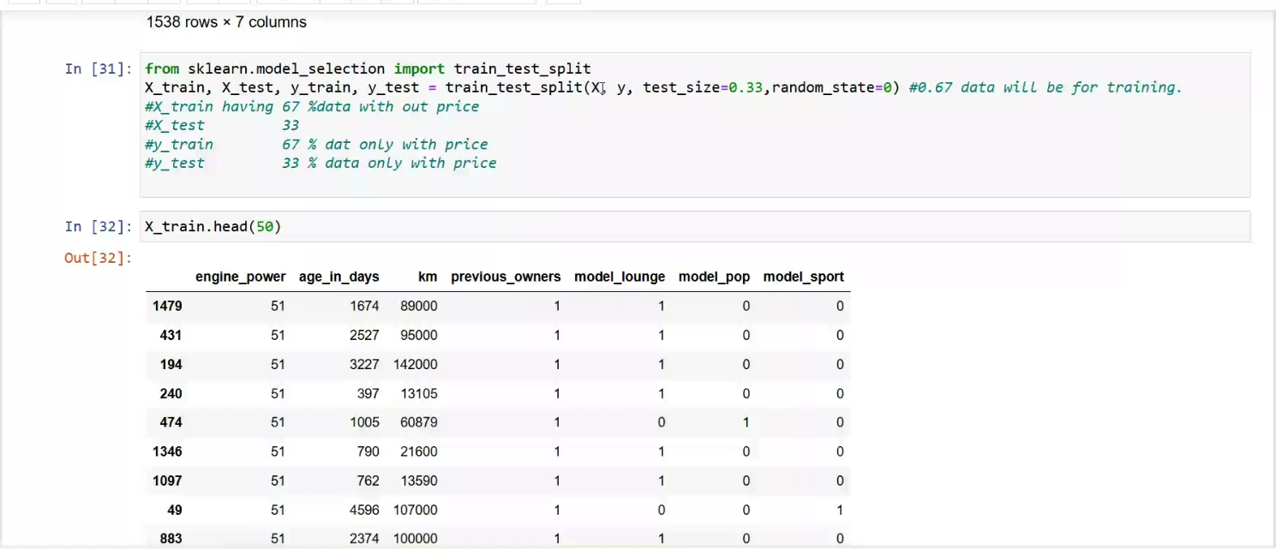 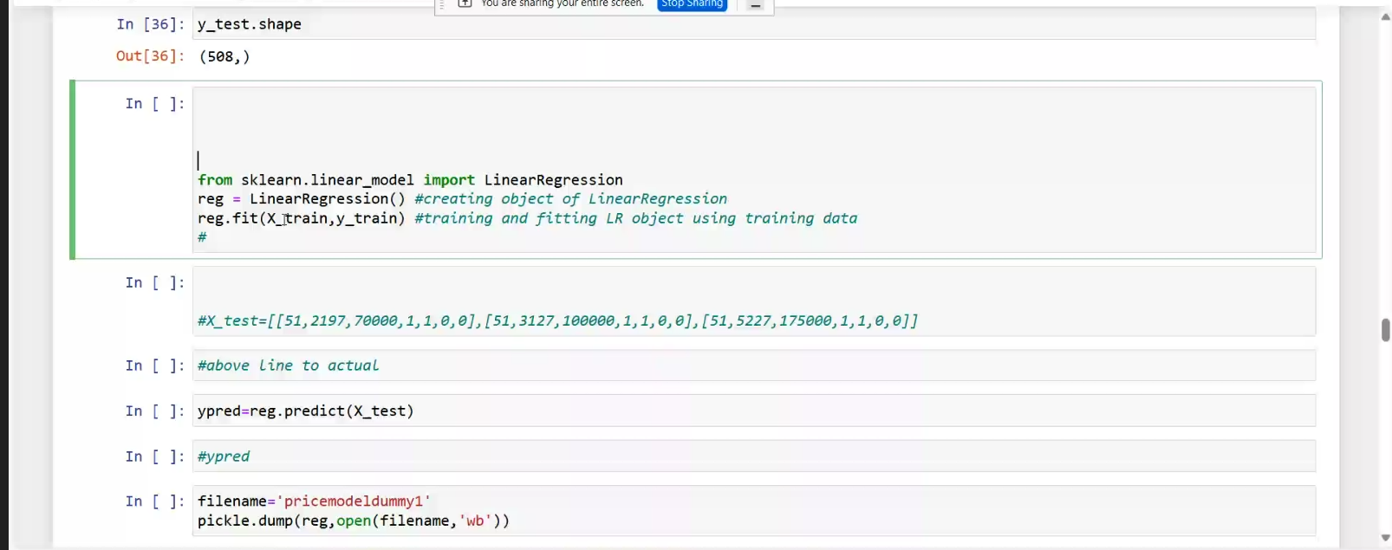 |  |  | 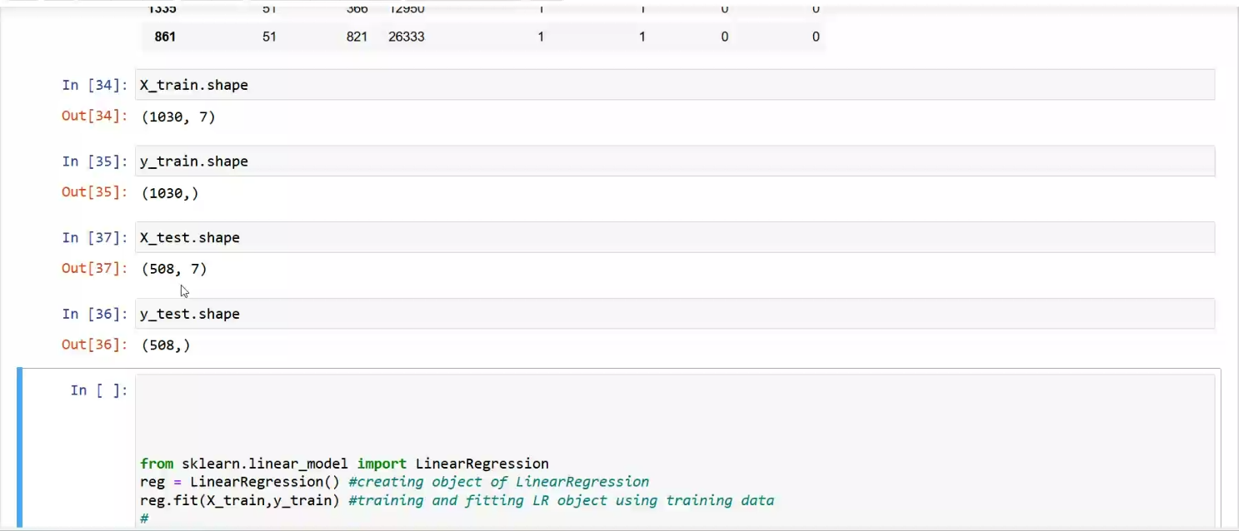
Day 7 : | 1. Removing Unnecessary Data: Discussed the importance of removing irrelevant columns (e.g., id, longitude, latitude) that don’t help in prediction. 2. Splitting and Calculating Set Sizes: - Training set: 1030 entries (1538 * 0.67 = 1030). - Testing set: 508 entries (1538 * 0.33 = 508). 3. Choosing a Model for Better Accuracy: - Performance Metrics: Discussed how to select a model based on accuracy and performance metrics. - Supervised Learning: Explained supervised learning (classification and regression) and why it’s used here since the model is trained on labeled data. - Introduction to Linear Regression: Mentioned linear regression as the model of choice for predicting prices. 4. Importance of Libraries: Highlighted how libraries and packages make the implementation of machine learning models easier.
Day 8 : | 1. Final Model Evaluation: - Data Overview: 1. x_test.head(5): Preview of the first 5 rows of the test data. 2. y_test.head(5): Preview of the first 5 actual prices in the test set. 3. x_train.shape: Displays the shape of the training data. - Model Prediction: 1. Predicted prices: Predicted prices were calculated using regression: Code: y_pred = reg.predict(x_test) - The predicted prices were compared to the actual prices from the test data. - Performance Evaluation: 1. R-squared (R²) Score: Calculated using the formula: [ r2_score(y_test, y_pred) ] - Resulting R² score: 0.842999 (or 84.3%). 2. Mean Absolute Percentage Error (MAPE): Calculated using: map_value = map(y_test, y_pred) - Resulted in 7.6% error. 3. Mean Squared Error (MSE): Calculated using: t = mean_squared_error(y_test, y_pred) - Why Use MSE Instead of Average Error?: - MSE (Mean Squared Error) is preferred because it avoids canceling out positive and negative errors, giving a more accurate measure of the overall error. Visual Comparison: 1. The results were represented in a chart: - Yellow: Represents the actual prices. - Blue: Represents the predicted prices. | 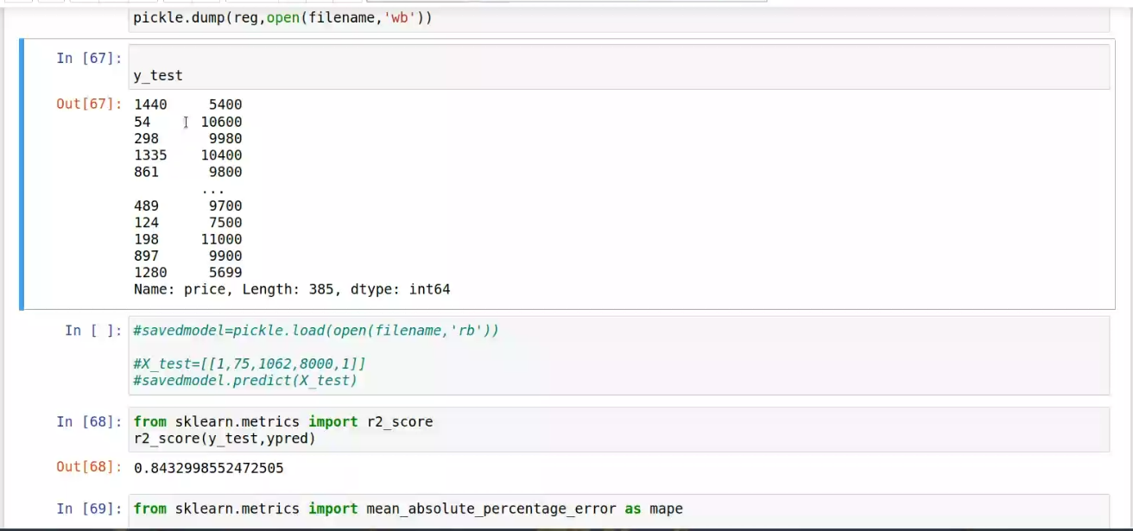 | 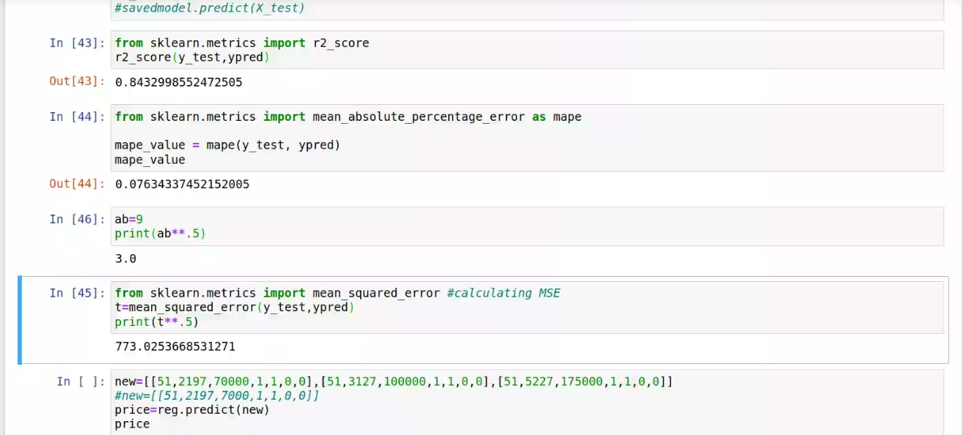
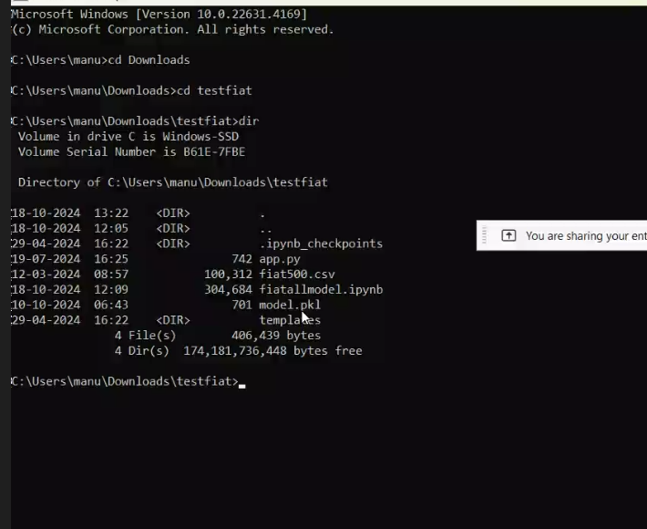
Day 9 : | Model Training and Saving: 1. Model Training: - With the help of x_train (features) and y_train (target/price), we train a regression model. - After training, the model learns from the provided data. 2. Model Prediction: - We have the actual price of the vehicle in y_test. - y_pred is the predicted price from the model based on the test data. 3. Saving the Model: - After training, we can save the model using the pickle library for future use: Code: pickle.dump(reg, open('model.pkl', 'wb')) 4. Loading the Saved Model: - To compare results or use the model later, load the saved model: Code : model = pickle.load(open('model.pkl', 'rb')) - We can then predict new values: Code : real = model.predict(new) 5. Why Use Mean Squared Error (MSE) Instead of Absolute Error?: - Absolute Error only measures the magnitude of errors without considering whether they are positive or negative. - Mean Squared Error (MSE) is used because: 1. It squares the errors, ensuring that negative and positive errors don't cancel each other out. 2. Squaring the errors also gives more weight to larger errors, making MSE a more sensitive and accurate performance measure for the model. | 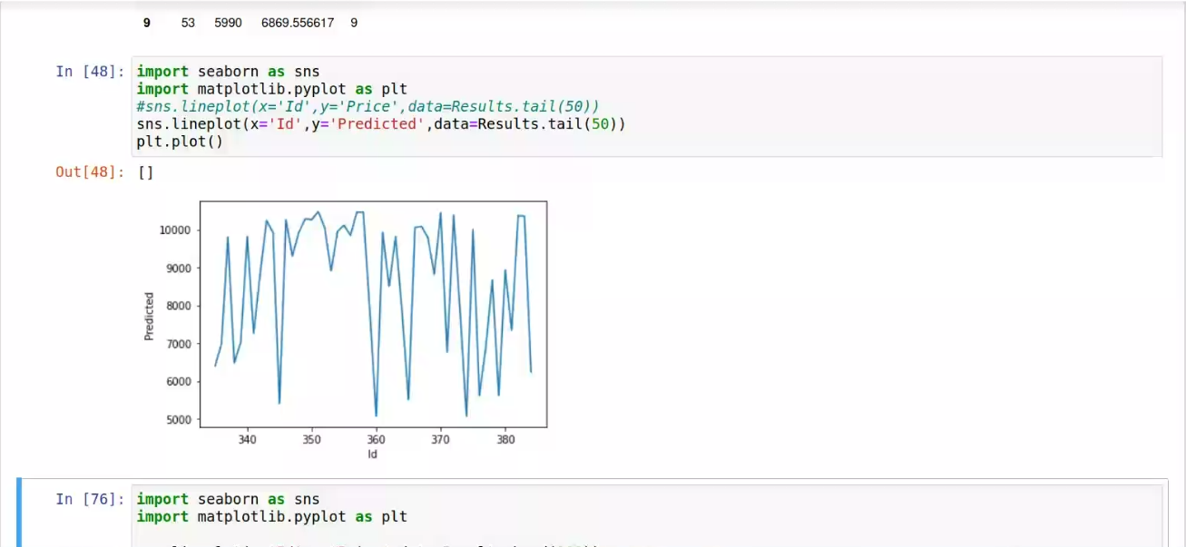 |  | 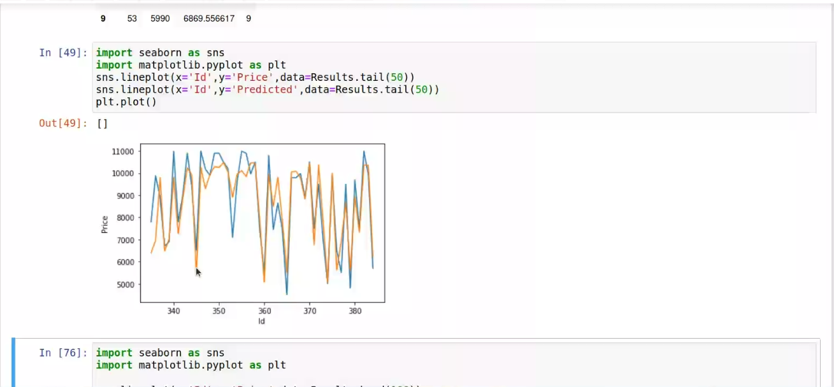
Day 10 : | Saw the difference between different regression models like linear regression, elastic regression, ridge regression, random forest regression made comparisons between their accuracy rate and error rate. 1. Random Forest Regression: - R² Score (Accuracy): 0.8467 (or 84.67%) - Error (Mean Absolute Percentage Error - MAPE): 0.0741 (7.41%) 2. Elastic Net Regression: - R² Score (Accuracy): 0.8451 (or 84.51%) - Error (MAPE): 0.0762 (7.62%) Observations: 1. Random Forest Regression performed best, with an accuracy of 84.67% and an error rate of 7.41%. 2. Elastic Net Regression followed closely with an accuracy of 84.51% and an error rate of 7.62%. 3. Other models like Linear Regression and Ridge Regression were also considered. | 